4-bar Linkage Model
Desired Output Angle at Platform Pivot (degrees) (angle from neutral position) | Input Angle with Offset at Platform Pivot (PHI) degrees | A | B | C | Under the SQRT | Required Angle at Motor Shaft (PSI) degrees | Ratio of Platform Output to Motor Shaft Input | Motor link angle from horizontal | Inputs (Link Lengths) | inches |  | Static Inputs (System Dimensions) | inches
-14 | 141.22 | 0.626 | 0.396 | 0.442 | 0.354 | 111.07 | 1.27 | -12.33 | a1 | 4.19 |  | Distance motor to pivot (x) Lm* | 0.75
-13 | 140.22 | 0.640 | 0.407 | 0.469 | 0.355 | 109.31 | 1.28 | -10.56 | a2 | 2.5 | (L2) | Distance motor to linkage attach (y) H* | 2.875
-12 | 139.22 | 0.653 | 0.419 | 0.497 | 0.355 | 107.50 | 1.30 | -8.76 | a3 | 2 | (L1) | Distance motor to pivot (y) (H*+p*) | 4.875
-11 | 138.22 | 0.666 | 0.430 | 0.525 | 0.353 | 105.66 | 1.31 | -6.92 | a4 | 4.93 |  | Distance pivot to linkage attach on platform (x) Lp* | 3.6875
-10 | 137.22 | 0.679 | 0.442 | 0.554 | 0.349 | 103.78 | 1.32 | -5.03 |  |  |  | Distance pivot to linkage attach on platform (y) p* | 2
-9 | 136.22 | 0.692 | 0.454 | 0.584 | 0.344 | 101.86 | 1.34 | -3.11
-8 | 135.22 | 0.704 | 0.466 | 0.614 | 0.336 | 99.88 | 1.35 | -1.14
-7.5 | 134.72 | 0.711 | 0.472 | 0.629 | 0.332 | 98.88 | 1.36 | -0.13 |  |  |  | Calculation of initial angle (PSI)
-7 | 134.22 | 0.717 | 0.478 | 0.645 | 0.327 | 97.86 | 1.37 | 0.89 |  |  |  | l* (in) | 2.9375
-6.5 | 133.72 | 0.723 | 0.485 | 0.660 | 0.322 | 96.82 | 1.38 | 1.92 |  |  |  | b* (in) | 4.11
-6 | 133.22 | 0.729 | 0.491 | 0.676 | 0.316 | 95.77 | 1.39 | 2.97 |  |  |  | alpha* (degrees) | 44.38
-5.5 | 132.72 | 0.735 | 0.497 | 0.691 | 0.309 | 94.71 | 1.40 | 4.04 |  |  |  | angle A2 (law of cosines) | 27.04
-5 | 132.22 | 0.741 | 0.504 | 0.707 | 0.302 | 93.62 | 1.41 | 5.12 |  |  |  | initial angle psi (degrees) | 81.40
-4.5 | 131.72 | 0.746 | 0.510 | 0.723 | 0.294 | 92.52 | 1.42 | 6.23 |  |  |  | initial angle psi (degrees) measured from horizontal | 17.35
-4 | 131.22 | 0.752 | 0.517 | 0.739 | 0.286 | 91.39 | 1.44 | 7.35
-3.5 | 130.72 | 0.758 | 0.523 | 0.756 | 0.277 | 90.25 | 1.45 | 8.50 |  |  |  | Calculation of initial angle (PHI)
-3 | 130.22 | 0.764 | 0.530 | 0.772 | 0.268 | 89.08 | 1.46 | 9.67 |  |  |  | beta (transformation angle to standard axis) | 81.25
-2.5 | 129.72 | 0.769 | 0.537 | 0.789 | 0.258 | 87.88 | 1.48 | 10.87 |  |  |  | phi_x (angle phi to horizontal axis) | 98.75
-2 | 129.22 | 0.775 | 0.543 | 0.805 | 0.247 | 86.65 | 1.49 | 12.09 |  |  |  | rho | 28.47
-1.5 | 128.72 | 0.780 | 0.550 | 0.822 | 0.236 | 85.40 | 1.51 | 13.35 |  |  |  | initial angle (phi) | 127.22
-1 | 128.22 | 0.786 | 0.557 | 0.839 | 0.224 | 84.10 | 1.52 | 14.64
-0.5 | 127.72 | 0.791 | 0.564 | 0.856 | 0.212 | 82.77 | 1.54 | 15.97
0 | 127.22 | 0.796 | 0.571 | 0.873 | 0.198 | 81.40 | 1.56 | 17.35
0.5 | 126.72 | 0.802 | 0.578 | 0.890 | 0.184 | 79.97 | 1.58 | 18.77
1 | 126.22 | 0.807 | 0.585 | 0.907 | 0.170 | 78.49 | 1.61 | 20.26
1.5 | 125.72 | 0.812 | 0.592 | 0.925 | 0.155 | 76.94 | 1.63 | 21.81
2 | 125.22 | 0.817 | 0.599 | 0.942 | 0.139 | 75.30 | 1.66 | 23.44
2.5 | 124.72 | 0.822 | 0.606 | 0.960 | 0.122 | 73.57 | 1.70 | 25.17
3 | 124.22 | 0.827 | 0.613 | 0.978 | 0.104 | 71.72 | 1.73 | 27.03
3.5 | 123.72 | 0.832 | 0.621 | 0.995 | 0.086 | 69.70 | 1.78 | 29.05
4 | 123.22 | 0.837 | 0.628 | 1.013 | 0.067 | 67.46 | 1.83 | 31.29
4.5 | 122.72 | 0.841 | 0.635 | 1.031 | 0.048 | 64.88 | 1.89 | 33.87
5 | 122.22 | 0.846 | 0.643 | 1.050 | 0.027 | 61.68 | 1.98 | 37.06
5.5 | 121.72 | 0.851 | 0.650 | 1.068 | 0.006 | 56.69 | 2.15 | 42.06
6 | 121.22 | 0.855 | 0.657 | 1.086 | -0.016 | #NUM! | #NUM! | #NUM!
6.5 | 120.72 | 0.860 | 0.665 | 1.105 | -0.039 | #NUM! | #NUM! | #NUM!
7 | 120.22 | 0.864 | 0.672 | 1.123 | -0.063 | #NUM! | #NUM! | #NUM!
7.5 | 119.72 | 0.868 | 0.680 | 1.142 | -0.087 | #NUM! | #NUM! | #NUM!
8 | 119.22 | 0.873 | 0.688 | 1.161 | -0.112 | #NUM! | #NUM! | #NUM!
8.5 | 118.72 | 0.877 | 0.695 | 1.179 | -0.139 | #NUM! | #NUM! | #NUM!
9 | 118.22 | 0.881 | 0.703 | 1.198 | -0.165 | #NUM! | #NUM! | #NUM!
9.5 | 117.72 | 0.885 | 0.711 | 1.217 | -0.193 | #NUM! | #NUM! | #NUM!
10 | 117.22 | 0.889 | 0.718 | 1.236 | -0.222 | #NUM! | #NUM! | #NUM!
10.5 | 116.72 | 0.893 | 0.726 | 1.256 | -0.251 | #NUM! | #NUM! | #NUM!
11 | 116.22 | 0.897 | 0.734 | 1.275 | -0.282 | #NUM! | #NUM! | #NUM!
11.5 | 115.72 | 0.901 | 0.742 | 1.294 | -0.313 | #NUM! | #NUM! | #NUM!
12 | 115.22 | 0.905 | 0.750 | 1.314 | -0.345 | #NUM! | #NUM! | #NUM!
12.5 | 114.72 | 0.908 | 0.758 | 1.333 | -0.378 | #NUM! | #NUM! | #NUM!
13 | 114.22 | 0.912 | 0.766 | 1.353 | -0.412 | #NUM! | #NUM! | #NUM!
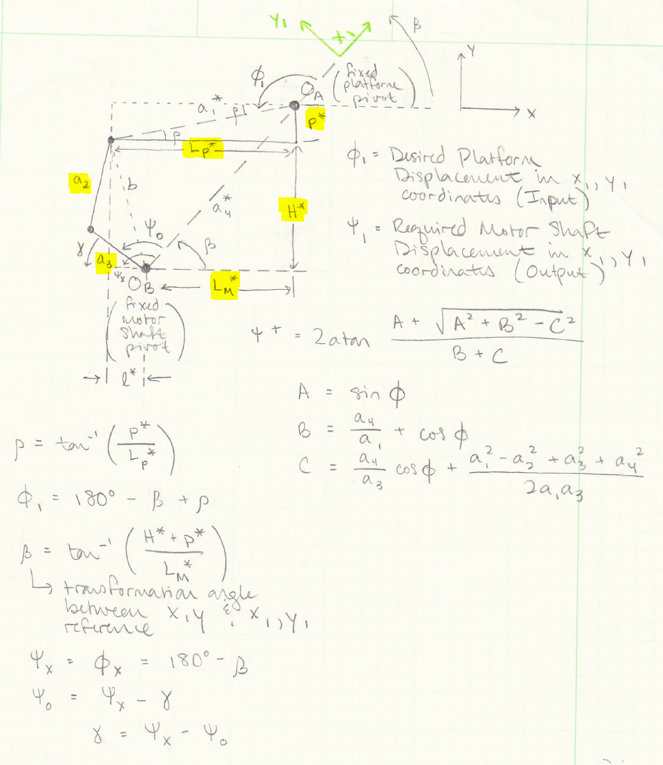

All colored cells are user inputs. Green are user inputs of link lengths, and yellow are user inputs of physical platform dimensions as shown in the labeled model at bottom left.
Upper limit of platform swing is shown where equations become undefined, because the links have lined up and reached a maximum
Lower limit of platform swing is determined by the user with the "Motor link angle from horizontal" column. Due to physical constraints of the platform system, the lower limit will be defined by a location which the lower link can't pass due to physical blockage by the system or table beneath the system.

Test Sine Wave
Time | Desired Output Angle at Platform Pivot (degrees) | Input Angle with Offset at Platform Pivot (PHI) degrees | A | B | C | Under the SQRT | Required Angle at Motor Shaft (PSI) degrees | Ratio of Platform Output to Motor Shaft Input | Static Inputs | inches | Distance motor to pivot (x) (in) | 5
0 | 0.00 | 146.10 | 0.558 | 0.233 | 0.457 | 0.157 | 108.22 | 1.35 | a1 | 6.02 | Distance motor to pivot (y) (in) | 4
0.2 | 4.41 | 141.70 | 0.620 | 0.279 | 0.602 | 0.100 | 93.47 | 1.52 | a2 | 2.5 | Distance pivot to linkage attach on platform (x) (in) | 6
0.4 | 7.13 | 138.97 | 0.656 | 0.309 | 0.699 | 0.038 | 80.34 | 1.73 | a3 | 2 | Distance pivot to linkage attach on platform (y) (in) | 0.5
0.6 | 7.13 | 138.97 | 0.656 | 0.309 | 0.699 | 0.038 | 80.34 | 1.73 | a4 | 6.40
0.8 | 4.41 | 141.70 | 0.620 | 0.279 | 0.602 | 0.100 | 93.47 | 1.52
1 | 0.00 | 146.10 | 0.558 | 0.233 | 0.457 | 0.157 | 108.22 | 1.35 |  |  | Calculation of initial angle (PSI)
1.2 | -4.41 | 150.51 | 0.492 | 0.193 | 0.327 | 0.172 | 120.33 | 1.25 |  |  | H* (in) | 3.5
1.4 | -7.13 | 153.24 | 0.450 | 0.171 | 0.256 | 0.167 | 127.19 | 1.20 |  |  | l* (in) | 1
1.6 | -7.13 | 153.24 | 0.450 | 0.171 | 0.256 | 0.167 | 127.19 | 1.20 |  |  | b* (in) | 3.64
1.8 | -4.41 | 150.51 | 0.492 | 0.193 | 0.327 | 0.172 | 120.33 | 1.25 |  |  | alpha* (degrees) | 74.05
2 | 0.00 | 146.10 | 0.558 | 0.233 | 0.457 | 0.157 | 108.22 | 1.35 |  |  | angle A2 (law of cosines) | 40.93
2.2 | 4.41 | 141.70 | 0.620 | 0.279 | 0.602 | 0.100 | 93.47 | 1.52 |  |  | initial angle psi (degrees) | 108.22
 | Platform Output | Motor Shaft Output
Time | 0.00 | 0.00
0 | 146.10 | 108.22
0.2 | 141.70 | 93.47
0.4 | 138.97 | 80.34
0.6 | 138.97 | 80.34
0.8 | 141.70 | 93.47
1 | 146.10 | 108.22
1.2 | 150.51 | 120.33
1.4 | 153.24 | 127.19
1.6 | 153.24 | 127.19
1.8 | 150.51 | 120.33
2 | 146.10 | 108.22
2.2 | 141.70 | 93.47
2.4 | 138.97 | 80.34
2.6 | 138.97 | 80.34
2.8 | 141.70 | 93.47
3 | 146.10 | 108.22
3.2 | 150.51 | 120.33
3.4 | 153.24 | 127.19
3.6 | 153.24 | 127.19
3.8 | 150.51 | 120.33
4 | 146.10 | 108.22
4.2 | 141.70 | 93.47
4.4 | 138.97 | 80.34
4.6 | 138.97 | 80.34
4.8 | 141.70 | 93.47
5 | 146.10 | 108.22
2.4 | 7.13 | 138.97 | 0.656 | 0.309 | 0.699 | 0.038 | 80.34 | 1.73 |  |  | initial angle psi (degrees) measured from horizontal | 37.89
2.6 | 7.13 | 138.97 | 0.656 | 0.309 | 0.699 | 0.038 | 80.34 | 1.73
2.8 | 4.41 | 141.70 | 0.620 | 0.279 | 0.602 | 0.100 | 93.47 | 1.52 |  |  | Calculation of initial angle (PHI)
3 | 0.00 | 146.10 | 0.558 | 0.233 | 0.457 | 0.157 | 108.22 | 1.35 |  |  | beta (transformation angle to standard axis) | 38.66
3.2 | -4.41 | 150.51 | 0.492 | 0.193 | 0.327 | 0.172 | 120.33 | 1.25 |  |  | phi_x (angle phi to horizontal axis) | 141.34
3.4 | -7.13 | 153.24 | 0.450 | 0.171 | 0.256 | 0.167 | 127.19 | 1.20 |  |  | rho | 4.76
3.6 | -7.13 | 153.24 | 0.450 | 0.171 | 0.256 | 0.167 | 127.19 | 1.20 |  |  | initial angle (phi) | 146.10
3.8 | -4.41 | 150.51 | 0.492 | 0.193 | 0.327 | 0.172 | 120.33 | 1.25
4 | 0.00 | 146.10 | 0.558 | 0.233 | 0.457 | 0.157 | 108.22 | 1.35
4.2 | 4.41 | 141.70 | 0.620 | 0.279 | 0.602 | 0.100 | 93.47 | 1.52 |  |  | Dynamic Inputs
4.4 | 7.13 | 138.97 | 0.656 | 0.309 | 0.699 | 0.038 | 80.34 | 1.73 |  |  | Amplitude (degrees) | 7.5
4.6 | 7.13 | 138.97 | 0.656 | 0.309 | 0.699 | 0.038 | 80.34 | 1.73 |  |  | Frequency (Hz) | 0.5
4.8 | 4.41 | 141.70 | 0.620 | 0.279 | 0.602 | 0.100 | 93.47 | 1.52
5 | 0.00 | 146.10 | 0.558 | 0.233 | 0.457 | 0.157 | 108.22 | 1.35

